Sheet1
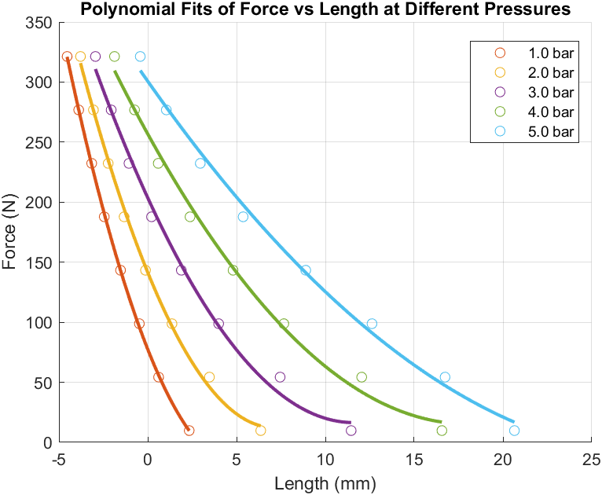
Pressure_bar | Coeff1 | Coeff2 | Coeff3 | R_squared
1 | 3.5770534781 | -37.400153329 | 77.498205939 | 0.99976373987
2 | 2.5561749663 | -36.342634988 | 141.48442663 | 0.9978758732
3 | 1.3919399987 | -32.281983559 | 203.62825007 | 0.99395130172
4 | 0.74228722391 | -26.777191371 | 256.77587041 | 0.99364229325
5 | 0.35479551274 | -21.076096806 | 300.68936144 | 0.99417473275

